Photo Documentation
TEP Test and Repair Photo Documentation
Unit Name: |  | Measure Name:
Example Description | Example Description |  | Example Description | Example Description
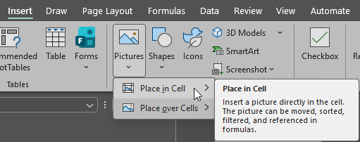

Unit Name: |  | Measure Name:

Unit Name: |  | Measure Name:

Unit Name: |  | Measure Name:

Unit Name: |  | Measure Name:

Unit Name: |  | Measure Name:

Unit Name: |  | Measure Name:

Unit Name: |  | Measure Name:

Unit Name: |  | Measure Name:

Unit Name: |  | Measure Name:

Unit Name: |  | Measure Name:

Unit Name: |  | Measure Name:

